SERVICES scheme
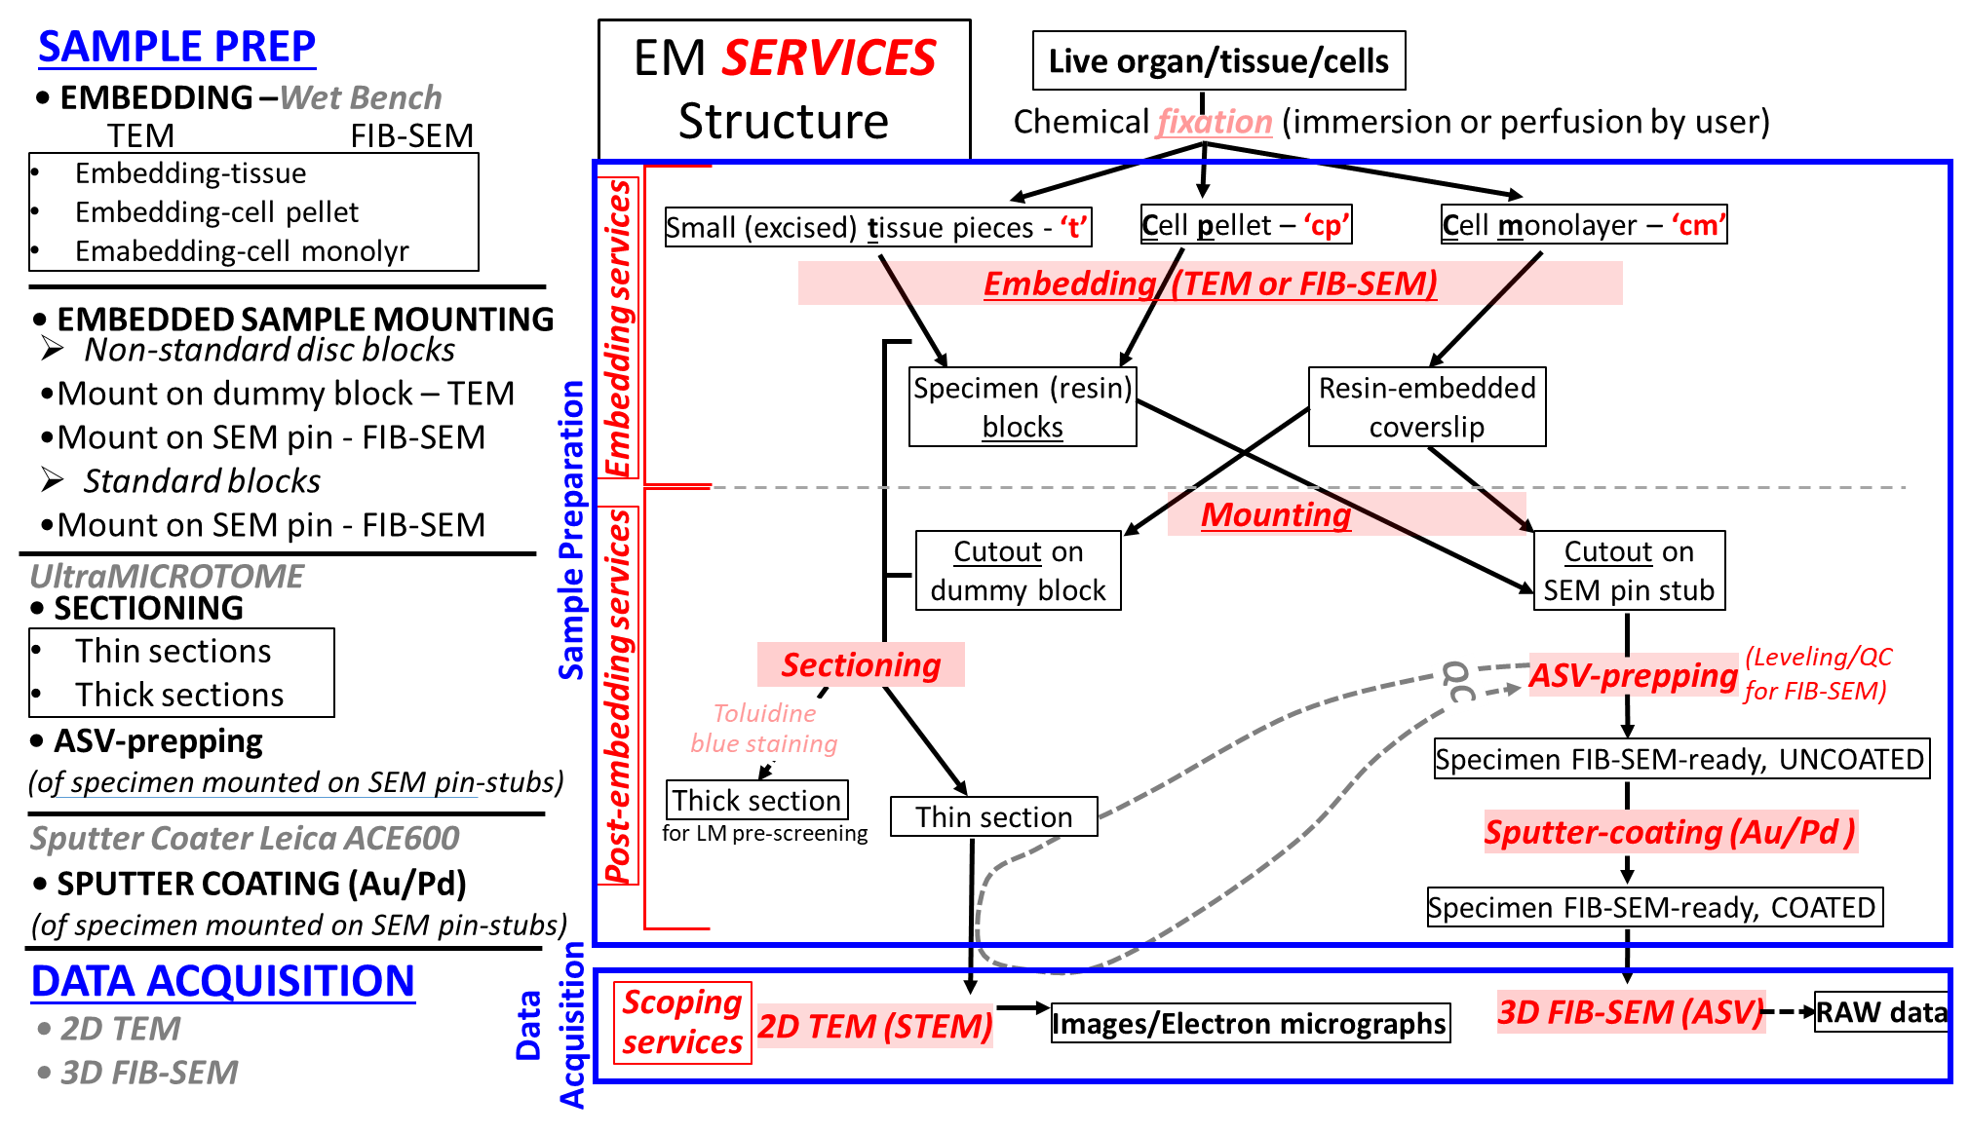
Finalized in EquipMe Equipments
Embedding-TEM | tissue
 | cell pellet
 | Cell monol
Embedding-FIB-SEM | tissue
 | cell pellet
 | Cell monol
Mounting-TEM | dummy block
mounting FIB-SEM | SEM stub
Sectioning | Thin Section/FIB-SEM QC1
 | Thick section
ASV prepping | Leveling/QC2

